Data
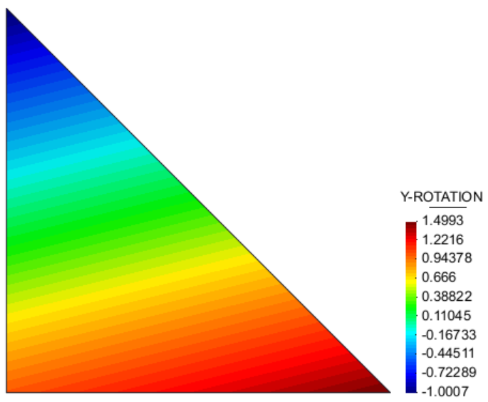
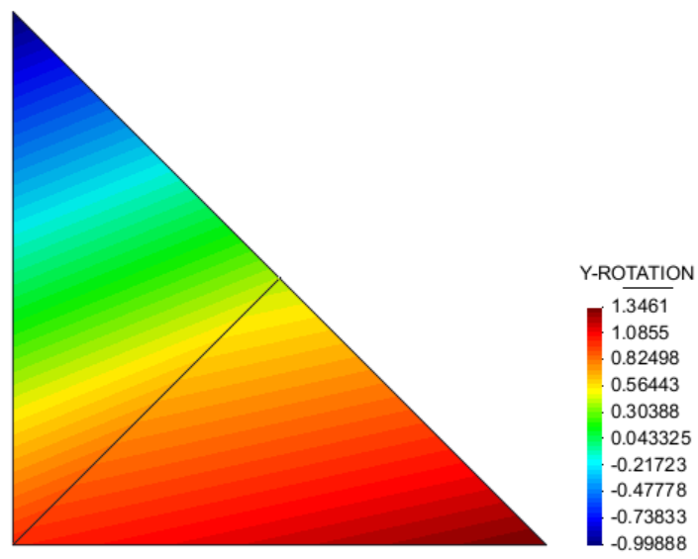
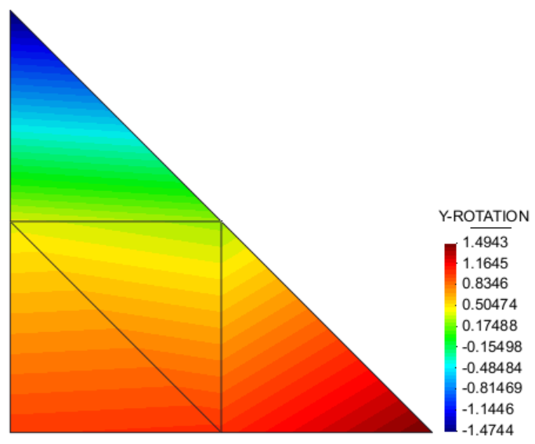
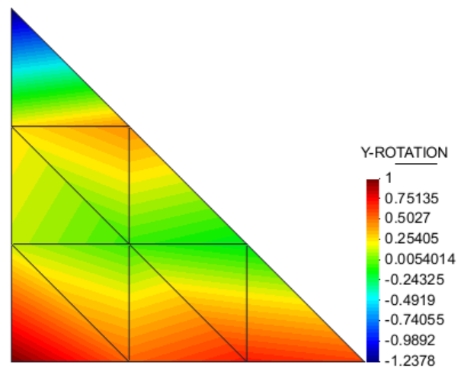
Prelim. Investigation into DSGc3 element
Meshes considered:

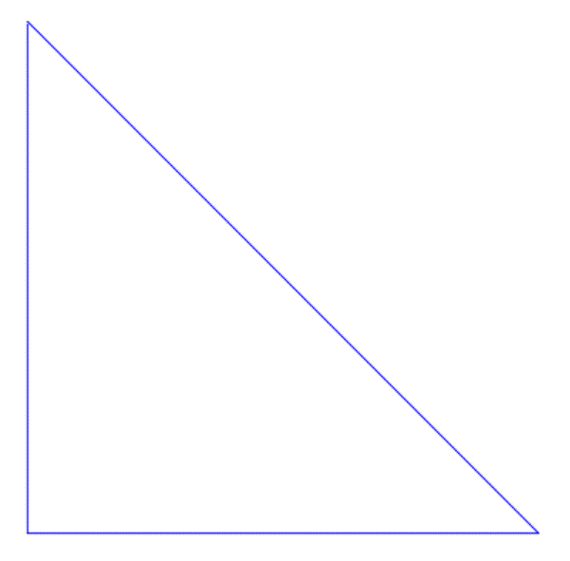
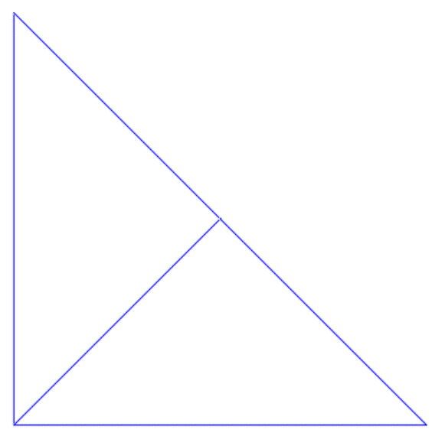
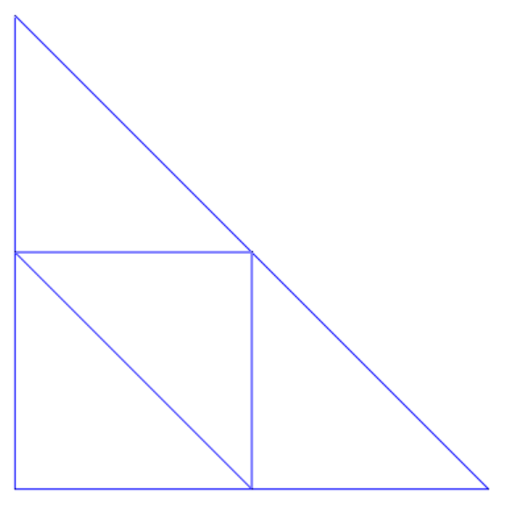
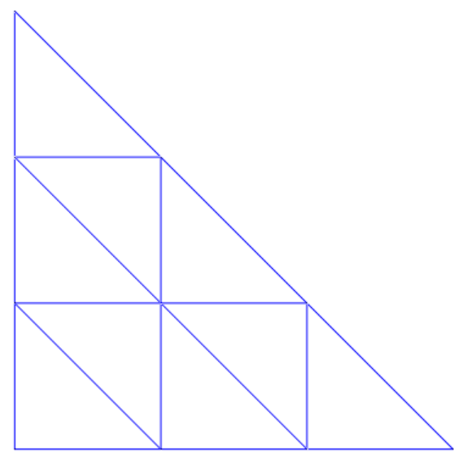

Outer triangle points remain [0,0], [0,1], [1,0] across all meshes
Test setup: |  |  |  |  |  |  |  |  |  |  | Cases considered:
 | No forces applied |  |  |  |  |  |  |  |  |  |  | DSGc3 with bubble mode
 | Displacements: |  |  |  |  |  |  |  |  |  |  | DSGc3 without bubble mode
 |  | w1 | prescribed |  | 0.5 |  |  |  |  |  |  | DSGc3 without bubble mode, with SRI
 |  | w2 | prescribed |  | 1 |  |  |  |  |  |  | Reference is DSG_3_20131109 maple file
 |  | w3 | prescribed |  | 0.5
 |  | phi x 1 | prescribed |  | 1
 |  | phi x 2 |  |  | unknown
 |  | phi x 3 | prescribed |  | 1.5
 |  | phi y 1 | prescribed |  | 1
 |  | phi y 2 |  |  | unknown
 |  | phi y 3 |  |  | unknown
 |  | All membrane DOFs fixed
 | Normal CST entries for membrane and bending B-matrix entries, as per original DSG element
 | Material matrix shear stabilization disabled
 | No corotational transformation used
Result graphs:
phix2
phiy2

phiy3

Result data:
 |  |  |  |  |  |  |  |  |  |  | THESE MUST BE ZERO TO FULFILL KT CONDITIONS |  |  | Divisions | Elements | w1 | phix1 | phiy1 | w2 | phix2 | phiy2 | w3 | phix3 | phiy3
Bubble mode |  |  |  |  |  |  |  |  |  |  |  |  |  | Ref | 1 | 0.5 | 1 | 1 | 1 | -2 | 1.5 | 0.5 | 1.5 | -1
Divisions | Elements | w1 | phix1 | phiy1 | w2 | phix2 | phiy2 | w3 | phix3 | phiy3 | C | a8 | a9 | Ref | 9 | 0.5 | 1 | 1 | 1 | -2 | 1.5 | 0.5 | 1.5 | -1
Ref | 1 | 0.50 | 1.00 | 1.00 | 1.00 | -2.00 | 1.50 | 0.50 | 1.50 | -1.00 | 0.00 | 0.00 | 0.00
0 | 1 | 0.50 | 1.00 | 1.00 | 1.00 | -2.00 | 1.50 | 0.50 | 1.50 | -1.00 | 0.00 | 0.00 | 0.00
1 | 2 | 0.50 | 1.00 | 1.00 | 1.00 | -1.99 | -0.44 | 0.50 | 1.50 | -1.00 | 1.94 | 0.01 | 0.00
2 | 4 | 0.50 | 1.00 | 1.00 | 1.00 | -0.50 | 1.26 | 0.50 | 1.50 | -0.47 | 0.24 | 0.75 | 0.26
3 | 9 | 0.50 | 1.00 | 1.00 | 1.00 | -1.70 | 0.51 | 0.50 | 1.50 | -0.83 | 0.99 | 0.15 | 0.09

No bubble mode
Divisions | Elements | w1 | phix1 | phiy1 | w2 | phix2 | phiy2 | w3 | phix3 | phiy3 | C | a8 | a9
Ref | 1 | 0.50 | 1.00 | 1.00 | 1.00 | -2.00 | 1.50 | 0.50 | 1.50 | -1.00 | 0.00 | 0.00 | 0.00
0 | 1 | 0.50 | 1.00 | 1.00 | 1.00 | -2.00 | 1.50 | 0.50 | 1.50 | -1.00 | 0.00 | 0.00 | 0.00
1 | 2 | 0.50 | 1.00 | 1.00 | 1.00 | -2.00 | -0.45 | 0.50 | 1.50 | -1.00 | 1.95 | 0.00 | 0.00
2 | 4 | 0.50 | 1.00 | 1.00 | 1.00 | -0.77 | 1.18 | 0.50 | 1.50 | -0.11 | 0.32 | 0.62 | 0.45
3 | 9 | 0.50 | 1.00 | 1.00 | 1.00 | -2.05 | 0.43 | 0.50 | 1.50 | -0.87 | 1.07 | -0.02 | 0.06

No bubble mode, SRI
Divisions | Elements | w1 | phix1 | phiy1 | w2 | phix2 | phiy2 | w3 | phix3 | phiy3 | C | a8 | a9
Ref | 1 | 0.50 | 1.00 | 1.00 | 1.00 | -2.00 | 1.50 | 0.50 | 1.50 | -1.00 | 0.00 | 0.00 | 0.00
0 | 1 | 0.50 | 1.00 | 1.00 | 1.00 | -2.00 | 1.50 | 0.50 | 1.50 | -1.00 | 0.00 | 0.00 | 0.00
1 | 2 | 0.50 | 1.00 | 1.00 | 1.00 | -1.20 | 1.35 | 0.50 | 1.50 | -1.00 | 0.15 | 0.40 | 0.00
2 | 4 | 0.50 | 1.00 | 1.00 | 1.00 | -1.01 | 1.49 | 0.50 | 1.50 | -1.47 | 0.01 | 0.49 | -0.24
3 | 9 | 0.50 | 1.00 | 1.00 | 1.00 | -1.42 | 0.61 | 0.50 | 1.50 | -1.24 | 0.89 | 0.29 | -0.12

Contours of DSGc3 with bubble mode
X rotation:
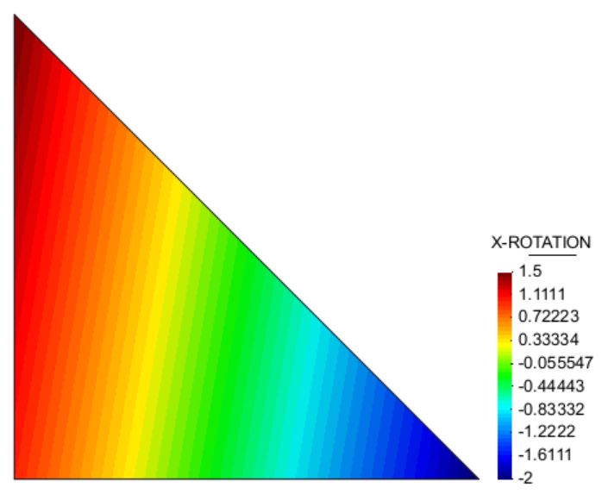
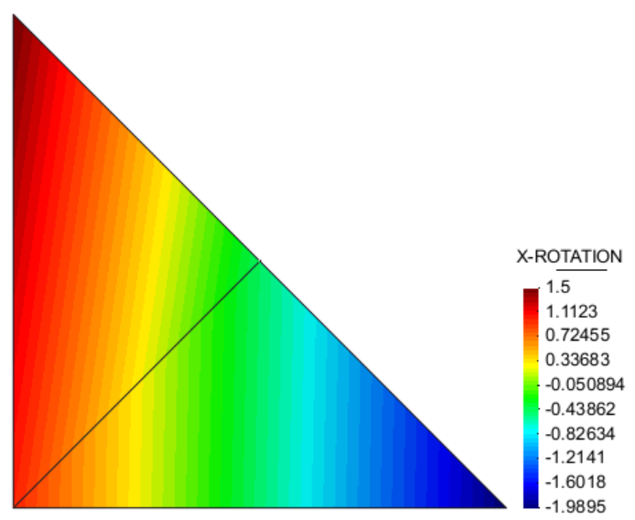
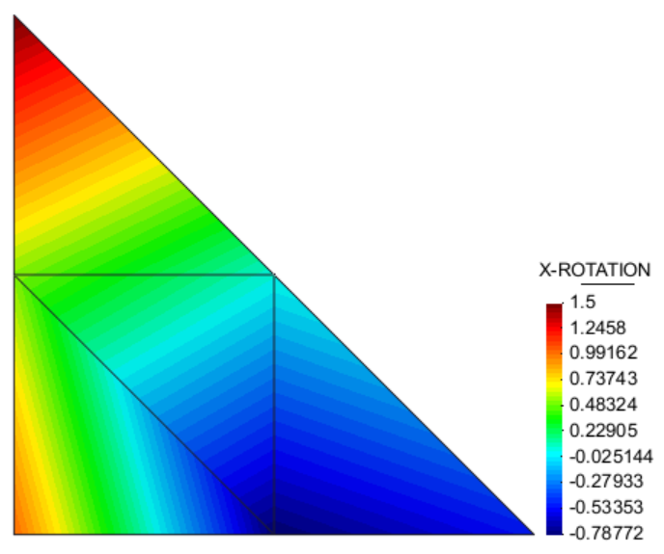
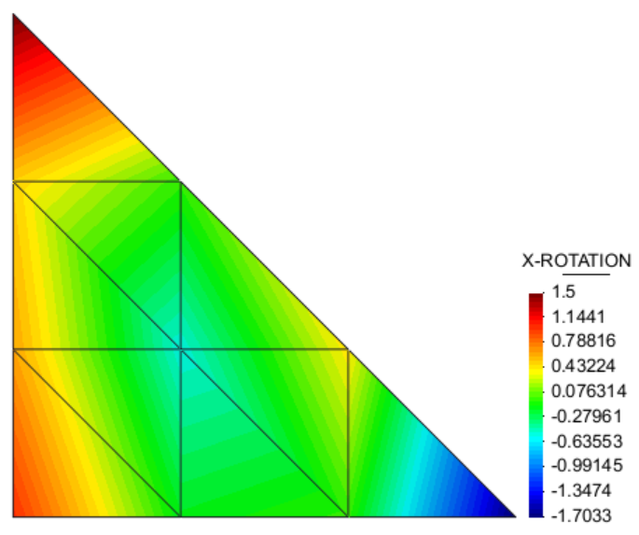

Y rotation
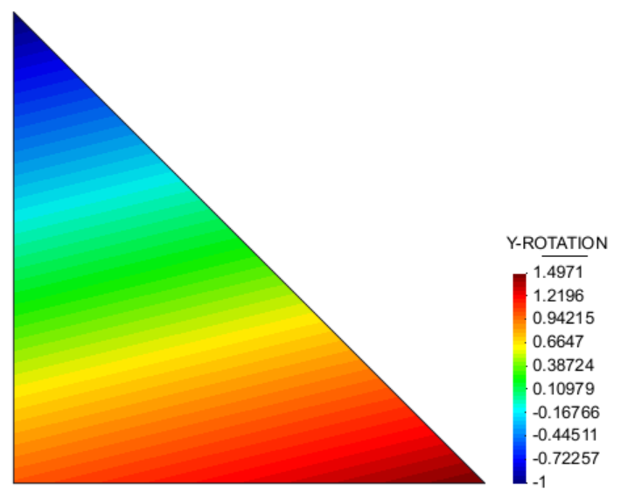
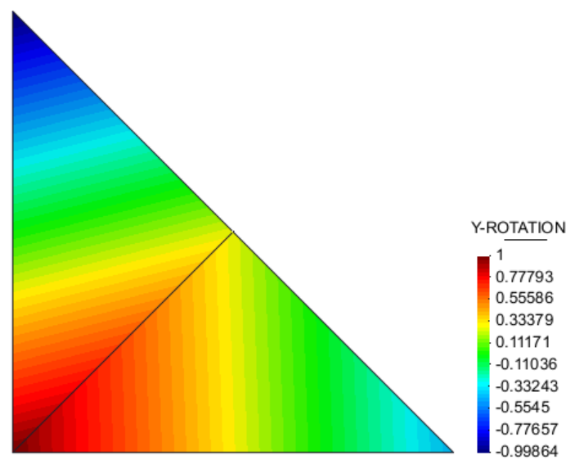
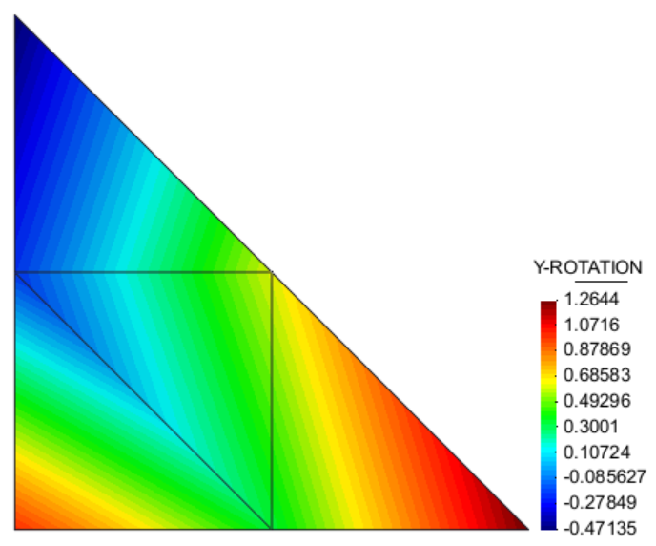
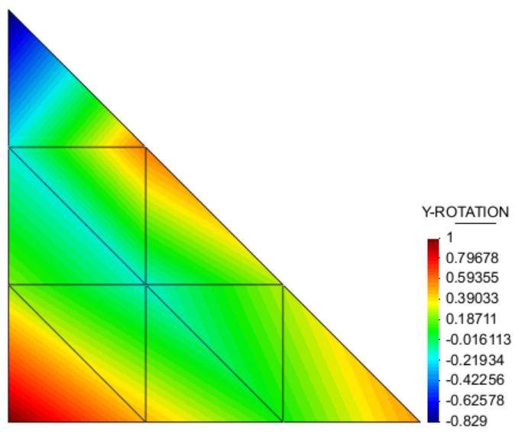

Contours of DSGc3 with no bubble mode
X rotation:
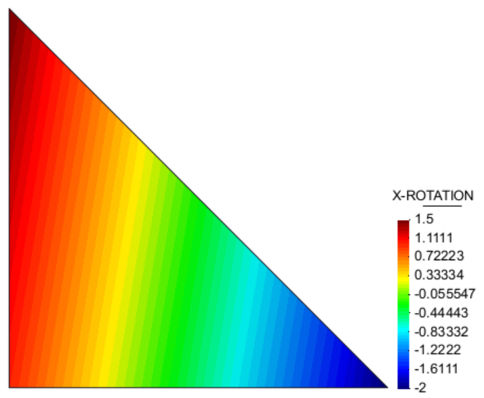
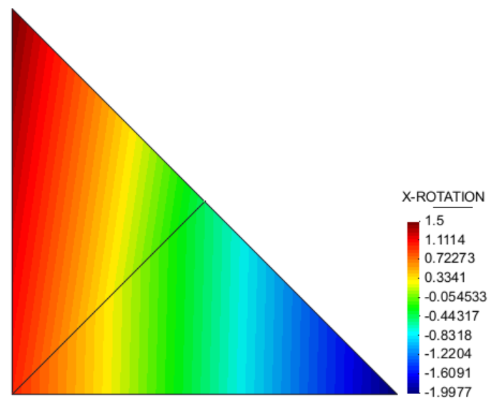
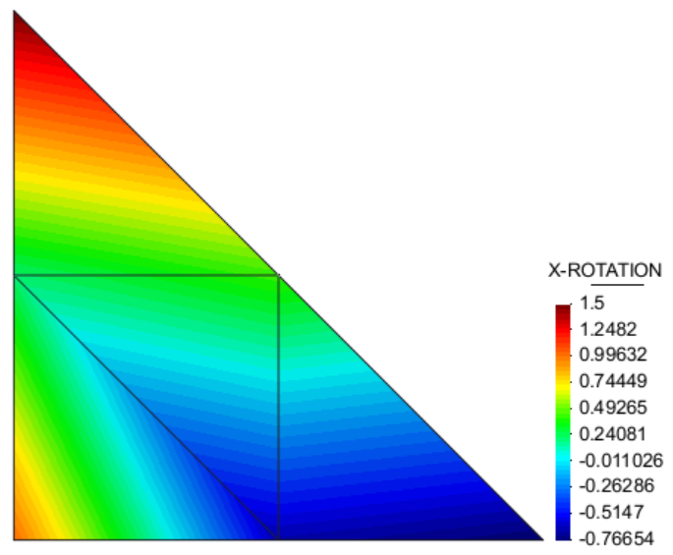
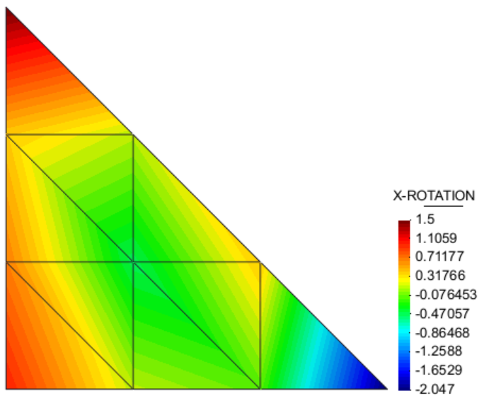

Y rotation:
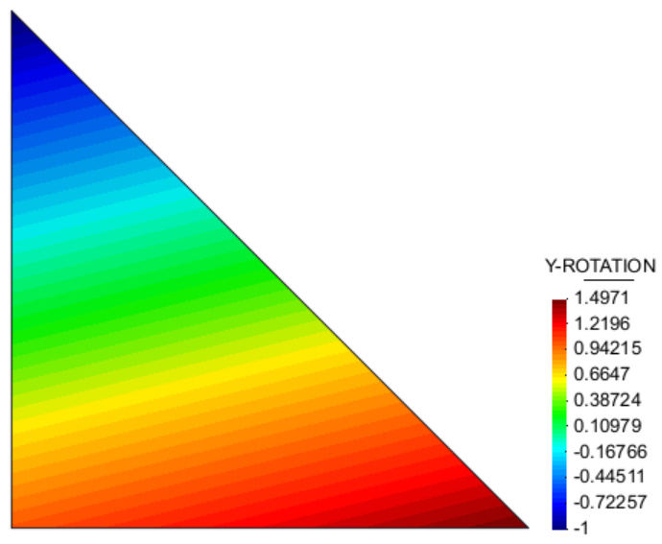
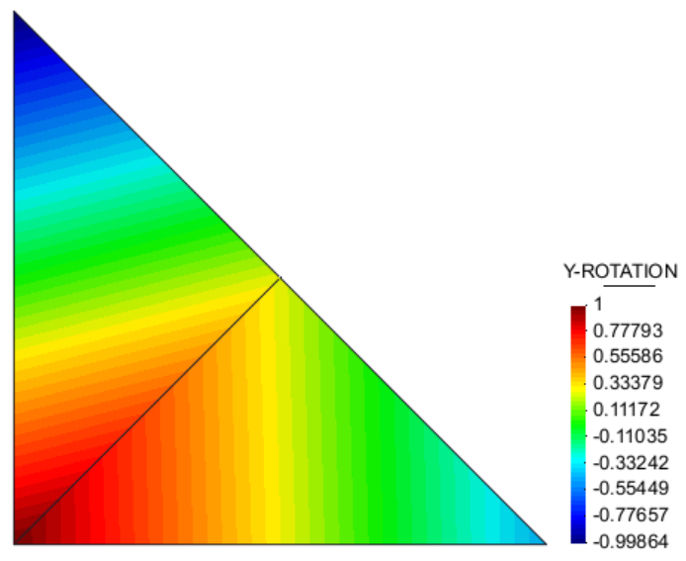
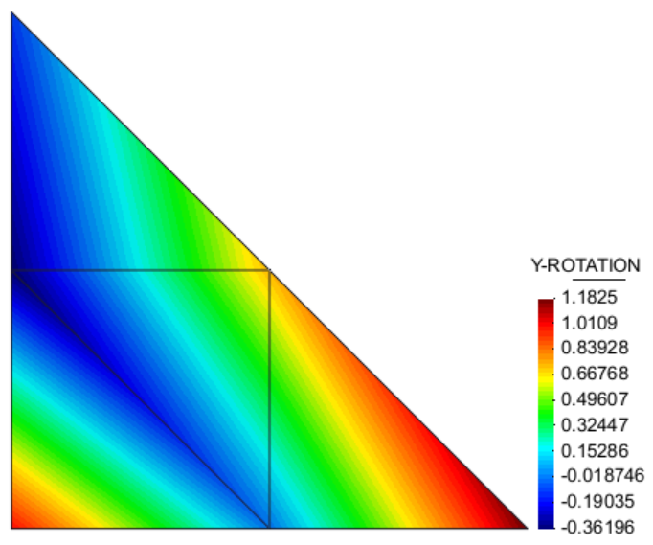
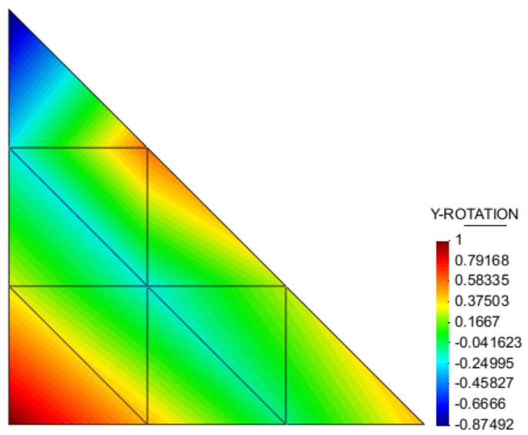

Contours of DSGc3 with no bubble mode and SRI
X rotation
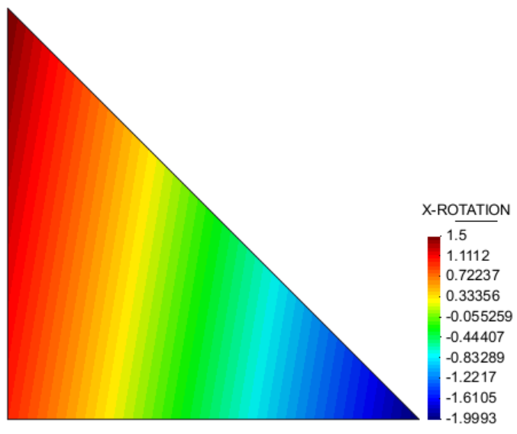
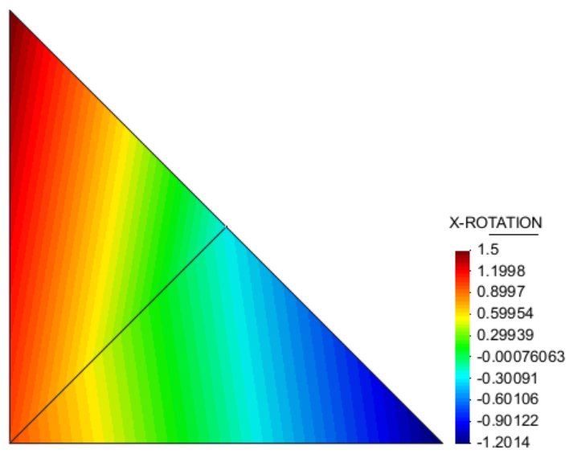
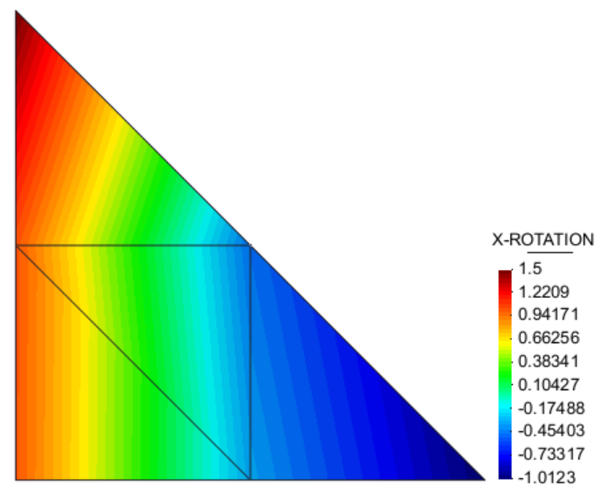
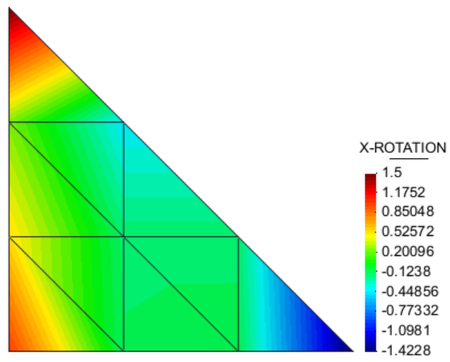

Y rotation

Sheet2
Rectangle test case:
Square is 1x1, bottom edge fully fixed, all rot_Z fixed,
point load of F_z = -0.01 applied to top right corner
E = 1000, nu = 0.0, t = 0.05, L/t = 20

Kratos thin element
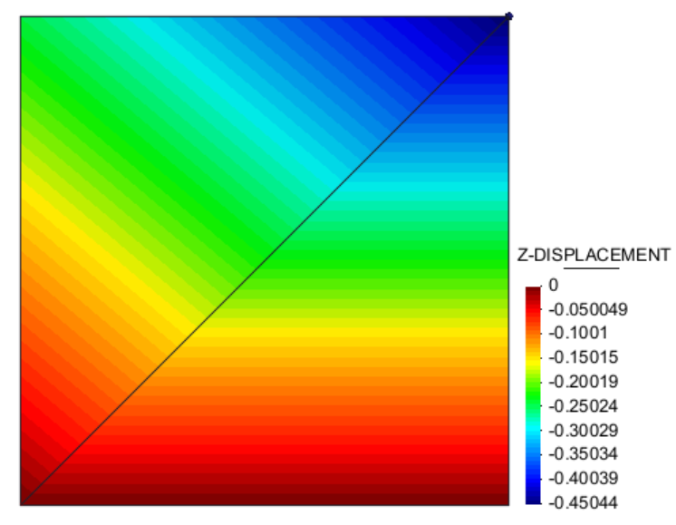

DSGc3 element (with bubble mode) |  |  | default node ordering
Element 1: | bottom right
 | Node 1: | bottom right
 | Node 2: | top right
 | Node 3: | bottom left
 | (anticlockwise ordering)
Element 2: | top left
 | Node 1: | top right
 | Node 2: | top left
 | Node 3: | bottom left
 | (anticlockwise ordering)
n1
n2
n3
n1
n2
n3

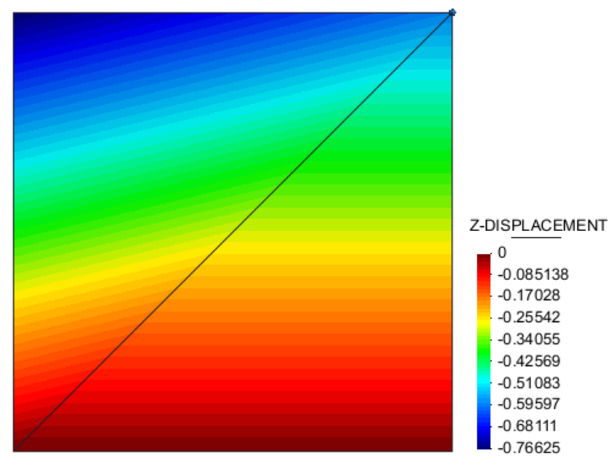

DSGc3 element 1 shear stiffness matrix

DSGc3 element 2 shear stiffness matrix

DSGc3 element (with bubble mode) |  |  | default node ordering reversed
Element 1: | bottom right
 | Node 1: | bottom right
 | Node 2: | bottom left
 | Node 3: | top right
 | (clockwise ordering)
Element 2: | top left
 | Node 1: | top right
 | Node 2: | bottom left
 | Node 3: | top left
 | (clockwise ordering)
n1
n3
n2
n1
n3
n2

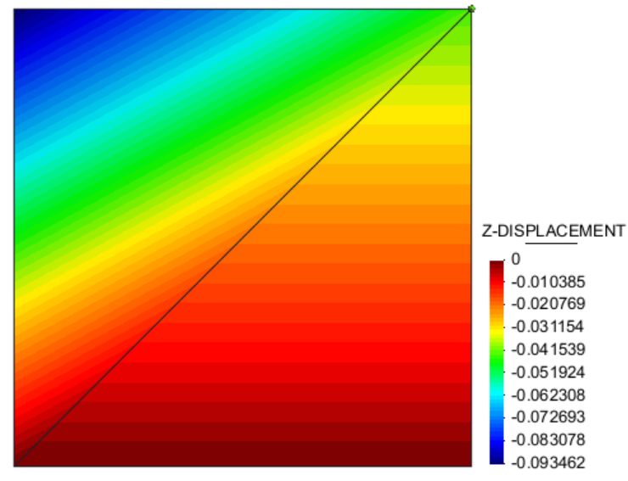

DSGc3 element 1 shear stiffness matrix

DSGc3 element 2 shear stiffness matrix

DSGc3 element (with bubble mode) |  |  | changed so n1 of e2 is at top left corner
Element 1: | bottom right
 | Node 1: | bottom right
 | Node 2: | top right
 | Node 3: | bottom left
 | (anticlockwise ordering)
Element 2: | top left
 | Node 1: | top left
 | Node 2: | bottom left
 | Node 3: | top right
 | (anticlockwise ordering)
n1
n2
n3
n3
n1
n2

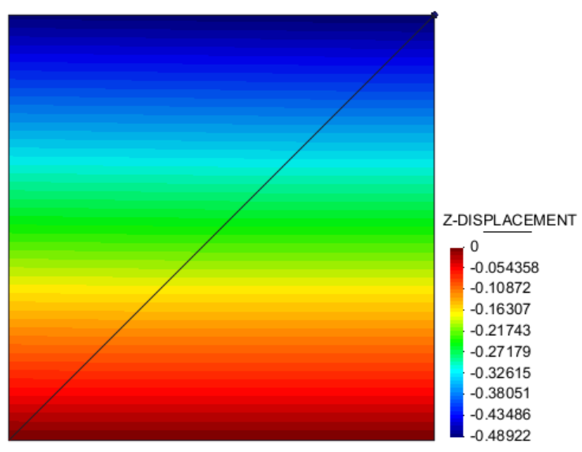

DSGc3 element 1 shear stiffness matrix

DSGc3 element 2 shear stiffness matrix

DSGc3 element (with bubble mode) |  |  | changed so n1 of e2 is at top left corner
Element 1: | bottom right |  | and nodal ordering reversed
 | Node 1: | bottom right
 | Node 2: | bottom left
 | Node 3: | top right
 | (clockwise ordering)
Element 2: | top left
 | Node 1: | top left
 | Node 2: | top right
 | Node 3: | bottom left
 | (clockwise ordering)
n1
n3
n2
n2
n1
n3

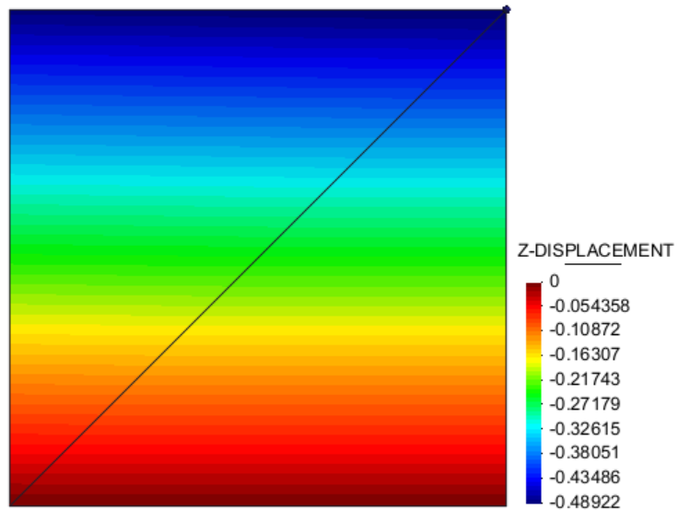

DSGc3 element 1 shear stiffness matrix

DSGc3 element 2 shear stiffness matrix

DSGc3 element (with bubble mode) |  |  | changed so n1 of e2 is at top left corner
Element 1: | bottom right |  | and nodal ordering reversed on 1 element
 | Node 1: | bottom right | symmetry about the diagonal created
 | Node 2: | top right
 | Node 3: | bottom left
 | (anticlockwise ordering)
Element 2: | top left
 | Node 1: | top left
 | Node 2: | top right
 | Node 3: | bottom left
 | (clockwise ordering)
n1
n2
n3
n2
n1
n3
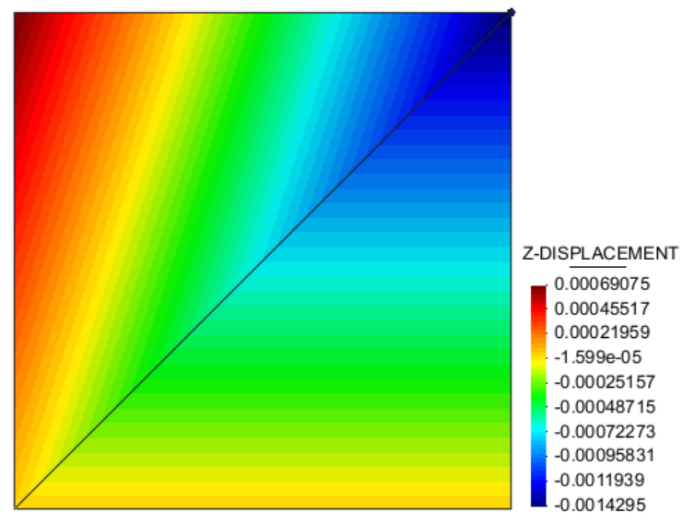

DSGc3 element 1 shear stiffness matrix

DSGc3 element 2 shear stiffness matrix

DSGc3 element (with bubble mode) |  |  | changed so e1 n2 is at top right
Element 1: | bottom right
 | Node 1: | top right
 | Node 2: | bottom left
 | Node 3: | bottom right
 | (anticlockwise ordering)
Element 2: | top left
 | Node 1: | top right
 | Node 2: | top left
 | Node 3: | bottom left
 | (anticlockwise ordering)
n3
n1
n2
n1
n2
n3

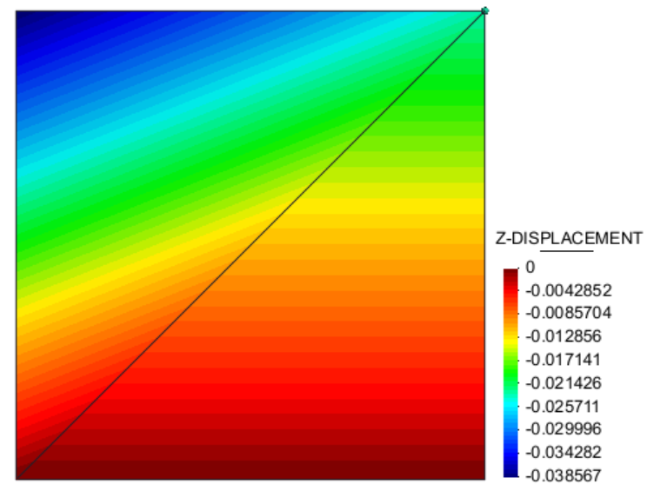

DSGc3 element 1 shear stiffness matrix

DSGc3 element 2 shear stiffness matrix

DSGc3 element (with bubble mode) |  |  | changed so e1 n2 is at top right
Element 1: | bottom right |  | and nodal ordering reversed
 | Node 1: | top right
 | Node 2: | bottom right
 | Node 3: | bottom left
 | (clockwise ordering)
Element 2: | top left
 | Node 1: | top right
 | Node 2: | bottom left
 | Node 3: | top left
 | (clockwise ordering)
n2
n1
n3
n1
n3
n2

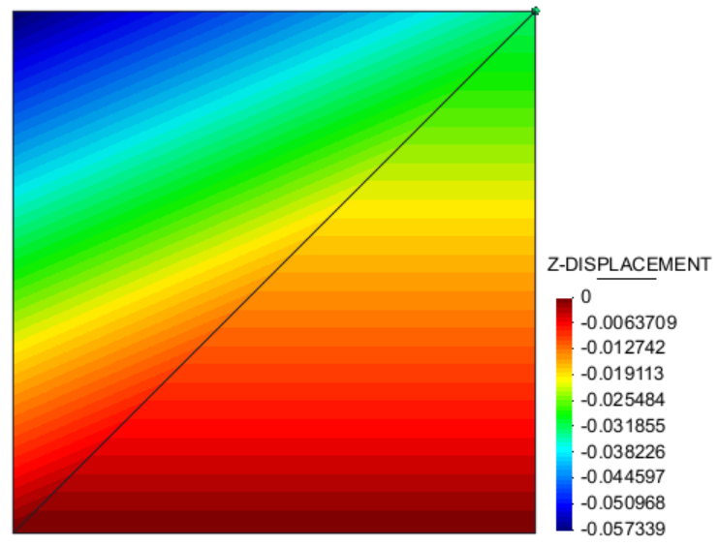

DSGc3 element 1 shear stiffness matrix

DSGc3 element 2 shear stiffness matrix

DSGc3 element (with bubble mode) |  |  | changed so e1 n2 is at top right
Element 1: | bottom right |  | and nodal ordering reversed on 1 element
 | Node 1: | top right | symmetry created about diagonal
 | Node 2: | bottom left
 | Node 3: | bottom right
 | (anticlockwise ordering)
Element 2: | top left
 | Node 1: | top right
 | Node 2: | bottom left
 | Node 3: | top left
 | (clockwise ordering)
n3
n1
n2
n1
n3
n2

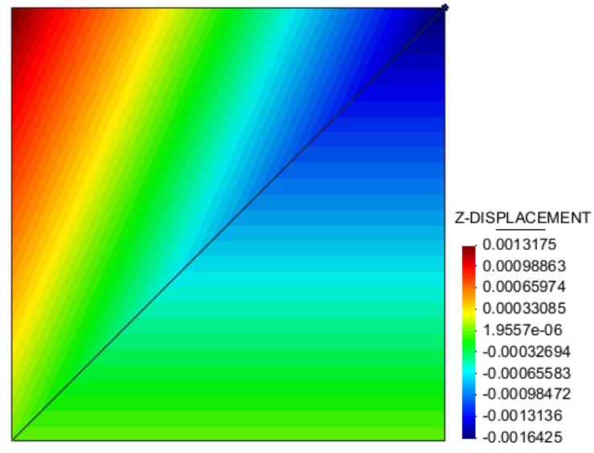

DSGc3 element 1 shear stiffness matrix

DSGc3 element 2 shear stiffness matrix

Kratos thin element |  |  |  |  |  | DSGc3 element (with bubble mode)
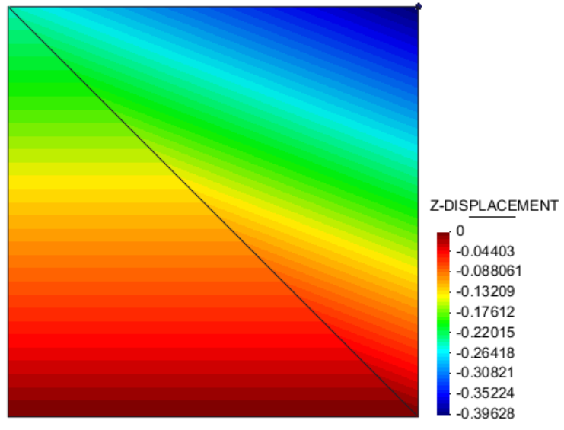
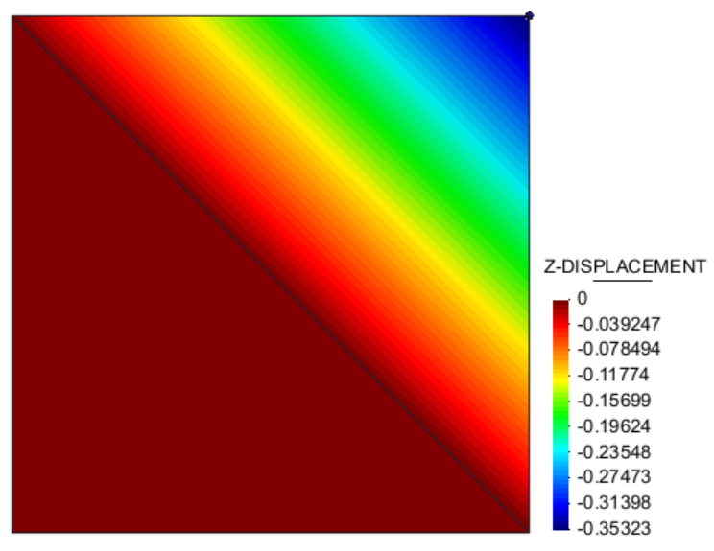

Element 1 (bottom left)

Element 2 (top right)

Above problem repeated with the point load applied to the top two points

Kratos thin element |  |  |  |  |  | DSGc3 element (with bubble mode)
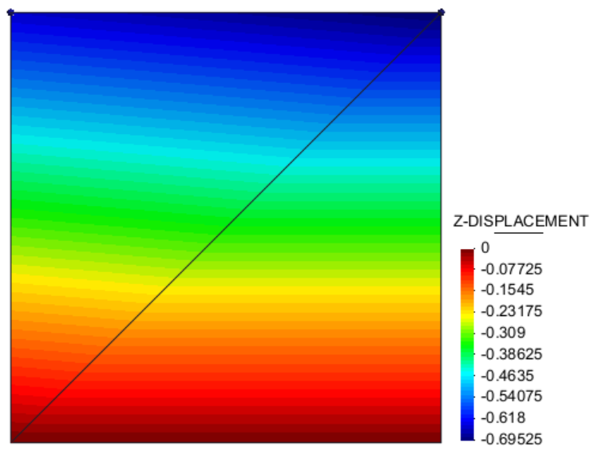
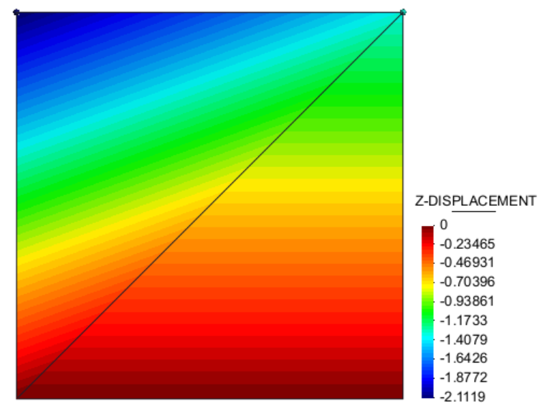

DSGc3 element 1 (bottom right tri) shear stiffness matrix

DSGc3 element 2 (top left tri) shear stiffness matrix

Still load on top two points, mesh just mirrored
Element 1 = bottom left |  |  |  | Element 1 = top right
 | node 1 | bottom right point |  |  | node 1 | bottom right point
 | node 2 | top left point |  |  | node 2 | top left point
 | node 3 | bottom left point |  |  | node 3 | bottom left point

Kratos thin element |  |  |  |  |  | DSGc3 element (with bubble mode)
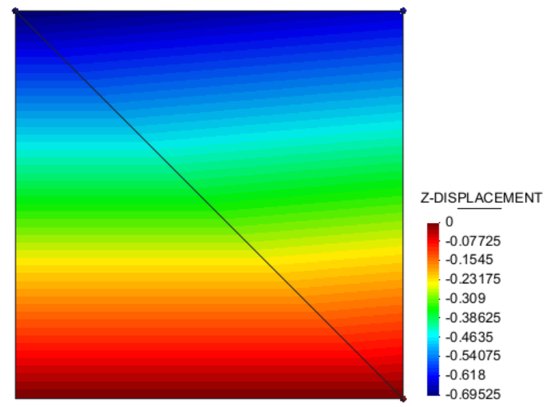
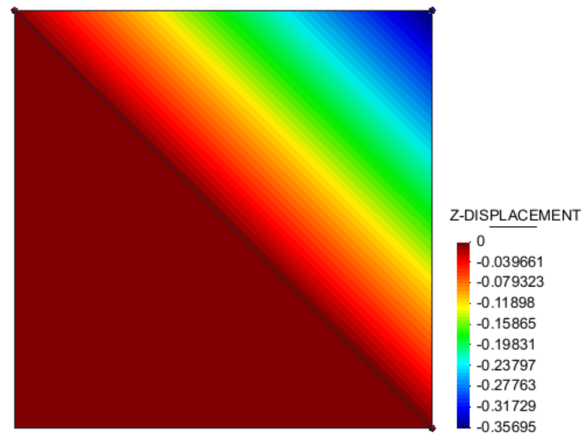

Element 1 (bottom left)

Element 2 (top right)

K implementation check
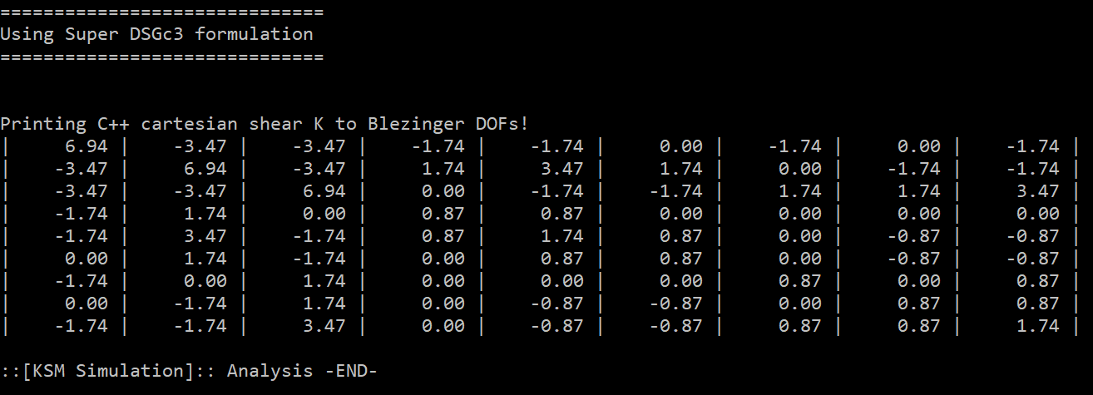
Python symbolic integration of parametric K:
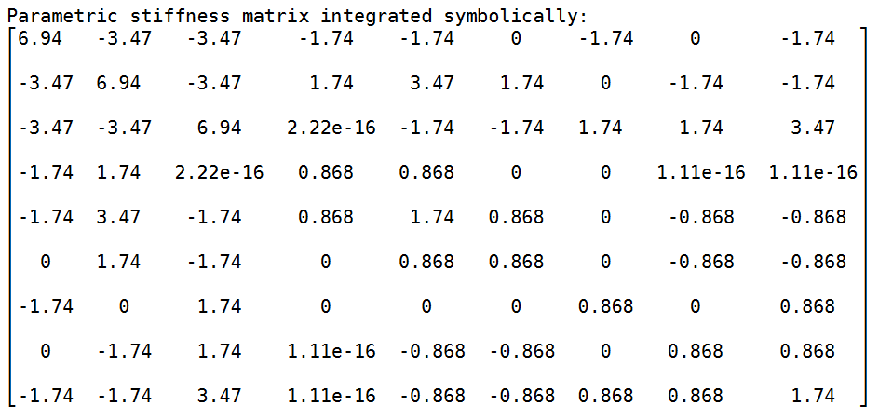

C++ numerical integration of shearK with 3GPs in Cartesian form:

